MVP Requirements + Design
S.No. | Requirements (Team name: 6GRAMSS) | MoSCoW | Team member | Role | Access | Sees names of individuals?
1 | High-level Requirement: Choose court proceedings related data document (PDF) as source PDF and load them into Snowflake. Build a proof of concept that extracts useful information into a structured format. Make each result traceable to its source document and supporting text. | Must Have | Data Engineer | DTH_DATA_ENGINEER | Build: create tables, stages and schemas; read and change data | Yes
2 | PDFs (as raw dataset) are taken from courtsofnz.govt.nz (High Court, Govt website) Link: https://www.courtsofnz.govt.nz/judgments/high-court | Must Have | Analytics Engineer | DTH_ANALYTICS_ENGINEER | Build | Yes
3 | From a user interface, raw dataset in the form of PDFs (unstructured data/text - court data) will be uploaded. | Must Have | Data Scientist | DTH_DATA_SCIENTIST | Write: read and change rows, no new tables; Cortex | Yes
4 | Raw dataset will be then converted from unstructured text format to a structured format in json. | Must Have | Data Analyst | DTH_DATA_ANALYST | Read, plus create the Streamlit app in COURTLENS | No (masked)
5 | Structured data will be pushed to Snowflake environment and relevant configurations will be completed to implement data analysis and visualizations. | Must Have | Project Manager | DTH_PROJECT_MANAGER | Read, plus open the app | No (masked)
6 | Generate insights and/or visualizations and/or recommendations from the data captured in Snowflake environment. | Must Have | Cloud Engineer | DTH_CLOUD_ENGINEER (+ keeps ACCOUNTADMIN) | Build, plus warehouse admin | Only via SYSADMIN/ACCOUNTADMIN
7 | Sample insights: duration each case takes (average) - based on case details how many times judge can change number of cases type of case (criminal vs corporate vs civil) More TBD (Greg + Radiya) | Should Have
8 | Below are the required roles and permissions for the snowflake database and schema implementation: DTH_DB_READ = SELECT on everything in DATATHON_TEST DTH_DB_WRITE = READ + change rows in DATATHON_TEST DTH_DB_BUILD = WRITE + create objects in DATATHON_TEST DTH_MART_READ = Read access to the masked MART views only (Data Analyst, pm, app dev) | Must Have | Design Wireframe/Mock-up
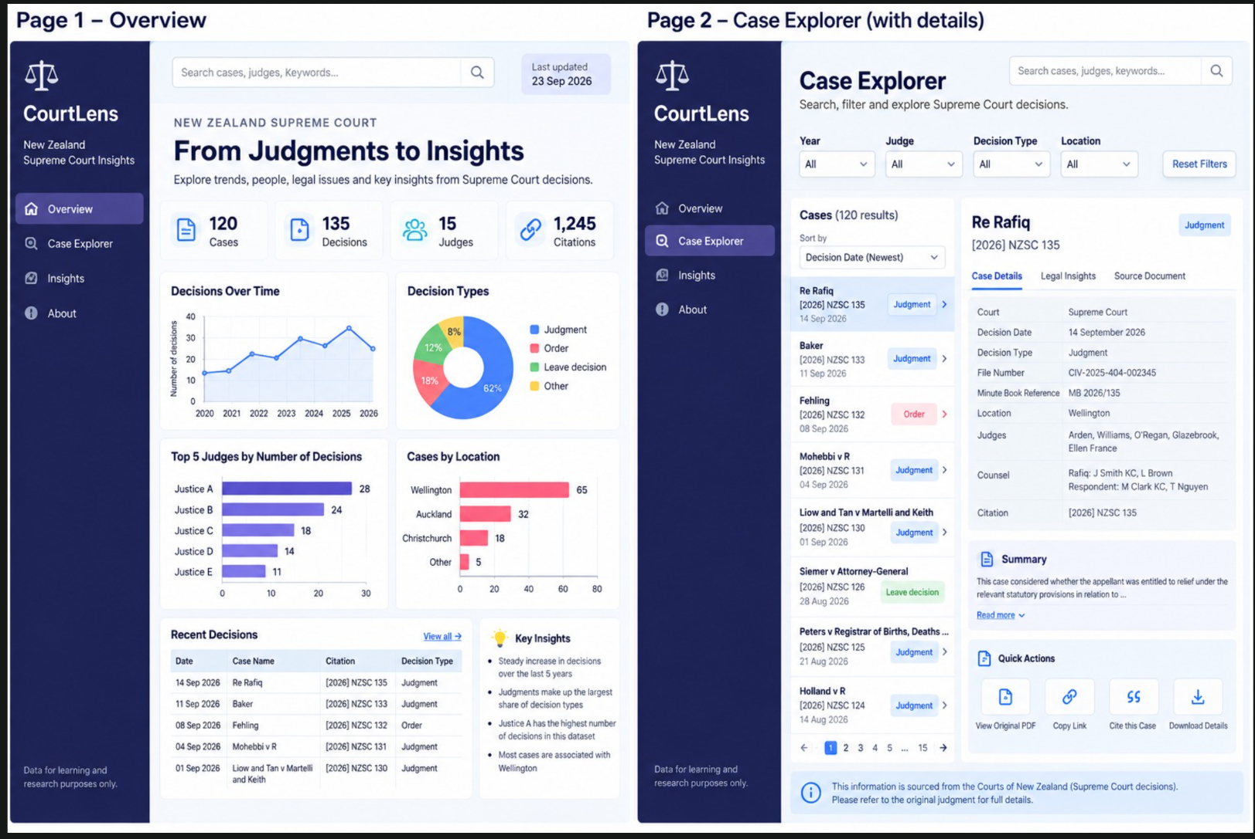
9 | Relevant schema and data model details have been captured in "Data Model" sheet with below assumptions. | Must Have
10 | Explore and implement ML implementation - classification of outcome prediction | Won't Have
11 | Explore ML implementation for classification of outcome prediction (classification in terms of prediction of Guilty vs Not Guilty) | Could Have

 | PROBLEM DEFITION: Context. NZ District Court judgments are published as text-based PDFs of multiple pages. Regulatory prosecutions are sentenced by comparison with earlier cases, where sentencing samples we reviewed cites comparable cases and their starting points. Problem. The facts that matter are buried in unstructured text/details: the court, parties, charges, starting point, discounts, fine, reparation and cited cases. The documents also vary: 1. One judgment can mention 20 or more dollar amounts, and only the court's own figures count. 2. Some documents are pre-trial rulings and not really sentencing decisions. 3. Names of victims and suppressed details are redacted. Finding and comparing outcomes today means reading every document by hand.

 | SOLUTION: An ingestion agent parses each PDF, extracts the fields and loads them into Snowflake (DATATHON_TEST.COURTLENS), following the team's data model (Case, Decision, Court, Location, Judge, Party, Counsel, Citation). The team validates the results, publishes masked secure views in a MART schema and on application's UJI, and builds a Streamlit dashboard on those views. Role-based access controls who can see what.

Team Progress View- JIRA SCRUM
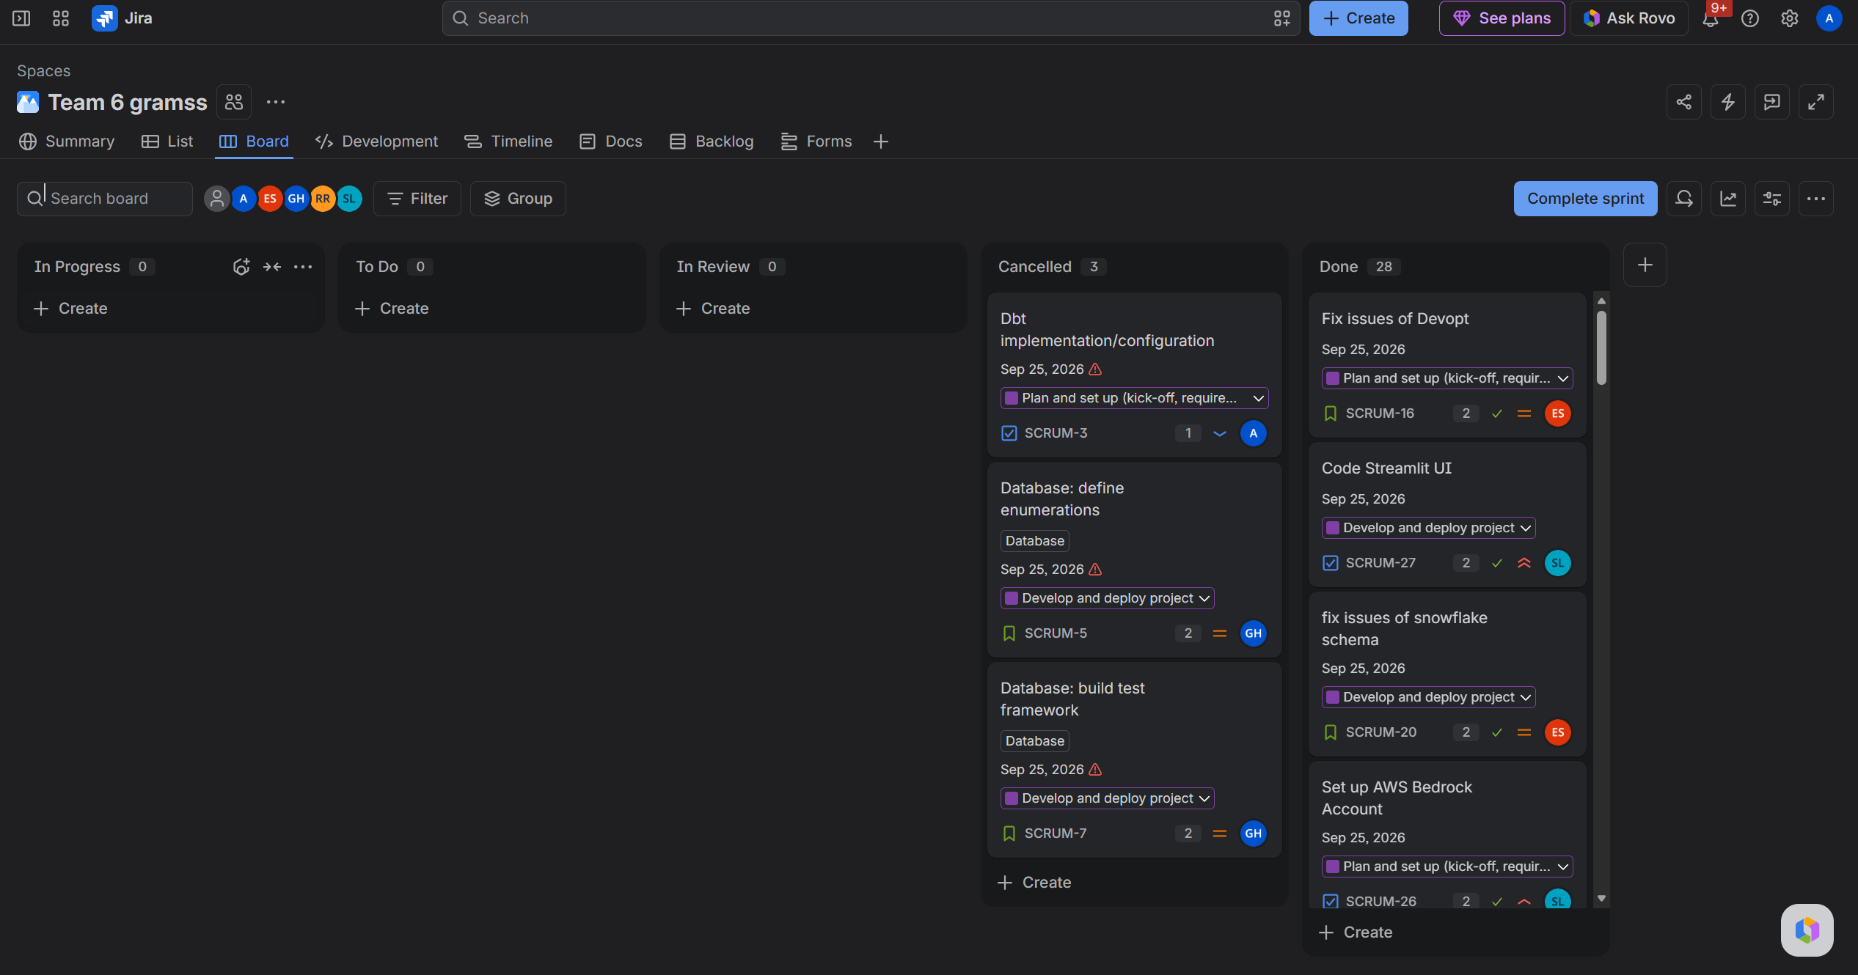
TEAM JIRA SCRUM BOARD (FINAL-SPRINT VIEW) (story points estimated (1/2/3); priority updated; epic, story and tasks updated & closed; sprint completed, etc.) |  | JIRA DASHBOARD - TEAM 6GRAMSS | Sprint Completion - Agile Custom Reports | TEAM JIRA BOARD: MID-SPRINT VIEW
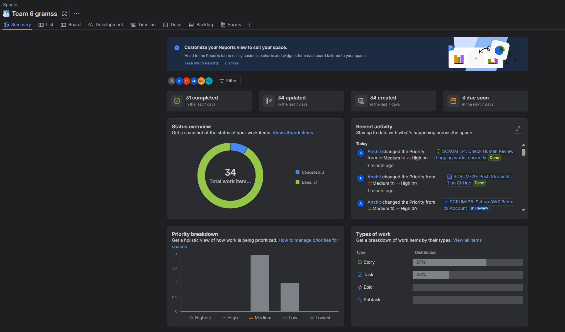
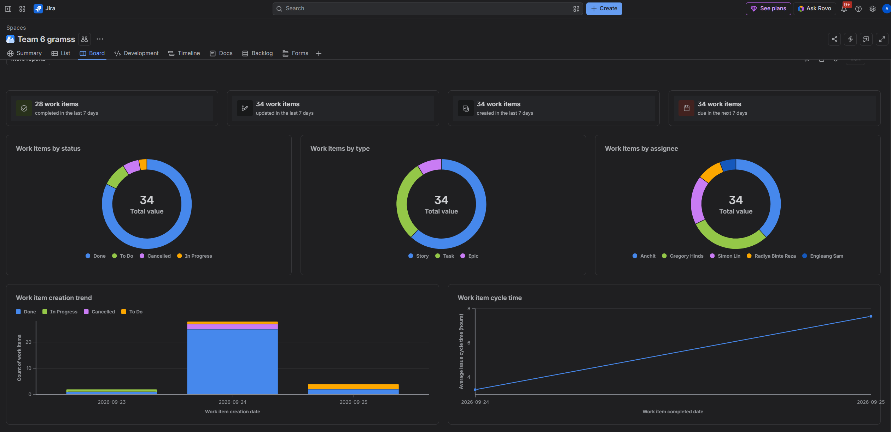
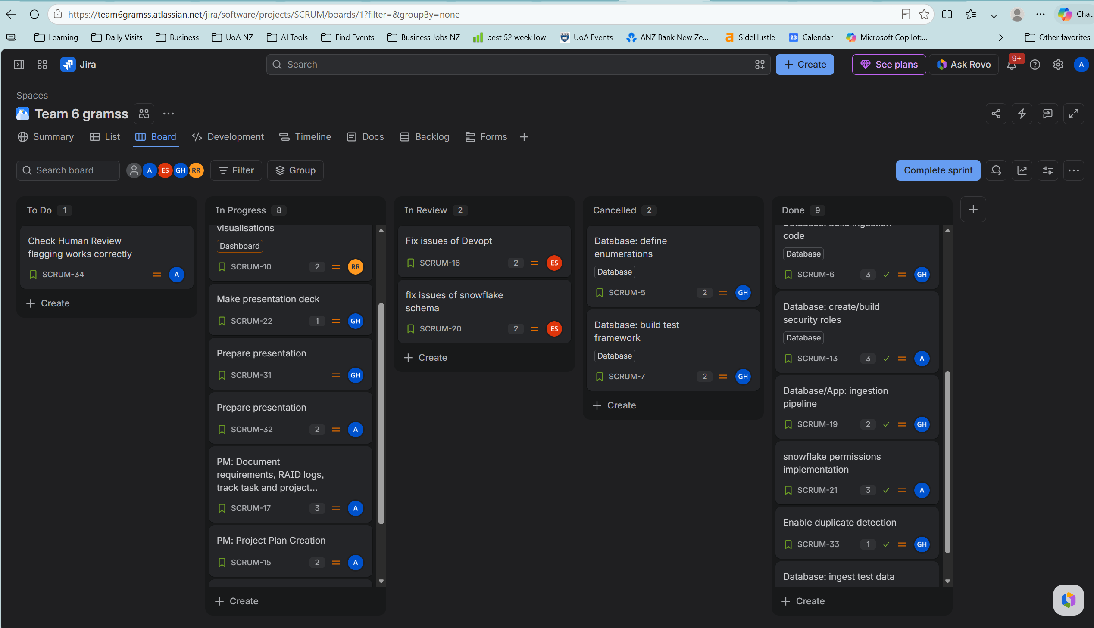

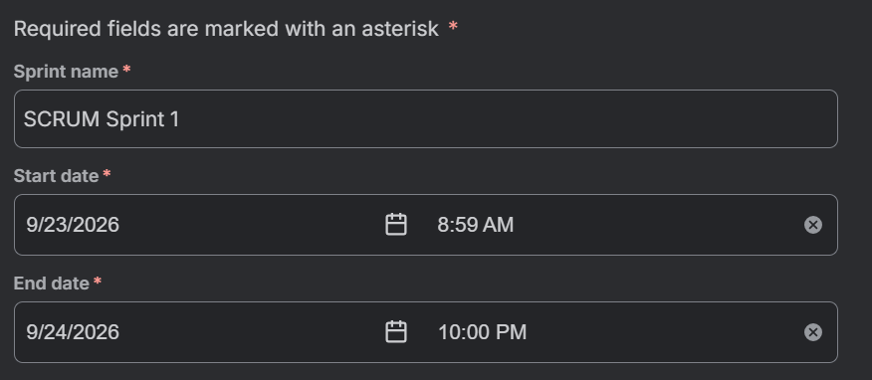
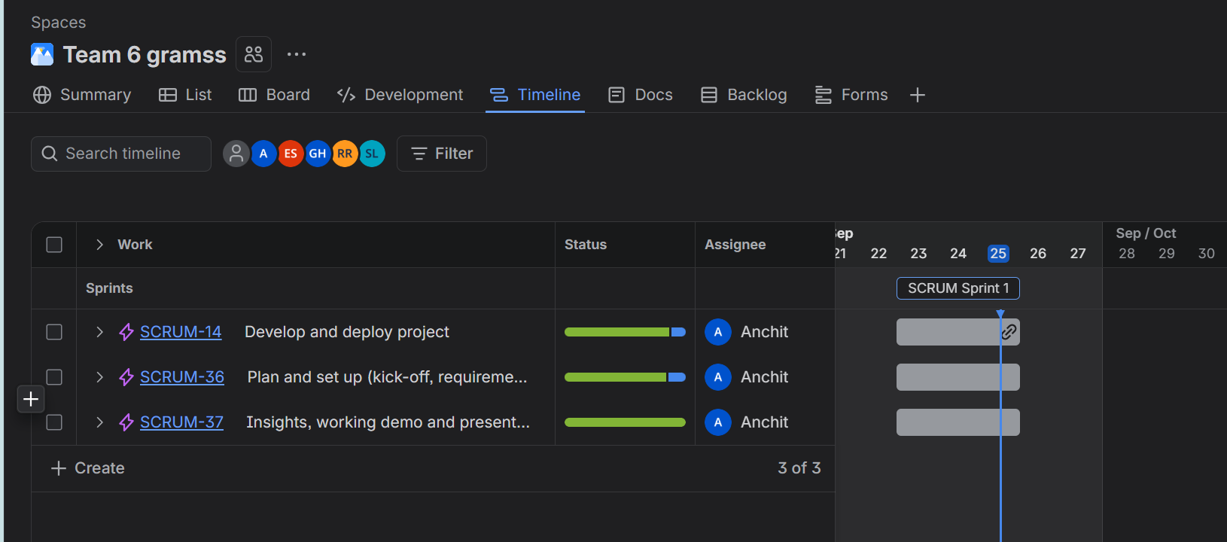
SPRINT DETAILS (Start and End Timelines) | EPIC- TIMELINE View

JIRA Task Breakdown
Epic Key | Epic | Item Key | Type | Summary | Owner | Priority | Status | Start Date | Due Date
SCRUM-36 | Plan and set up (kick-off, requirements, GitHub, cloud access) | SCRUM-36 | Epic | Plan and set up (kick-off, requirements, GitHub, cloud access) | Anchit | Medium | Done | 23-Sep-26 | 25-Sep-26
SCRUM-36 | Plan and set up (kick-off, requirements, GitHub, cloud access) | SCRUM-1 | Task | Project Planning document (BRD) | Anchit | High | Done | 23-Sep-26 | 25-Sep-26
SCRUM-36 | Plan and set up (kick-off, requirements, GitHub, cloud access) | SCRUM-15 | Story | PM: Project Plan Creation | Anchit | High | Done | 23-Sep-26 | 25-Sep-26
SCRUM-36 | Plan and set up (kick-off, requirements, GitHub, cloud access) | SCRUM-26 | Task | Set up AWS Bedrock Account | Simon Lin | High | Done | 23-Sep-26 | 25-Sep-26
SCRUM-36 | Plan and set up (kick-off, requirements, GitHub, cloud access) | SCRUM-17 | Story | PM: Document requirements, RAID logs, track task and project progress | Anchit | Medium | Done | 23-Sep-26 | 25-Sep-26
SCRUM-36 | Plan and set up (kick-off, requirements, GitHub, cloud access) | SCRUM-16 | Story | Fix issues of Devopt | Engleang Sam | Medium | Done | 23-Sep-26 | 25-Sep-26
SCRUM-36 | Plan and set up (kick-off, requirements, GitHub, cloud access) | SCRUM-30 | Task | Submit support ticket AWS | Simon Lin | Medium | Done | 23-Sep-26 | 25-Sep-26
SCRUM-36 | Plan and set up (kick-off, requirements, GitHub, cloud access) | SCRUM-3 | Task | Dbt implementation/configuration | Anchit | Low | Cancelled | 23-Sep-26 | 25-Sep-26
SCRUM-14 | Develop and deploy project | SCRUM-14 | Epic | Develop and deploy project | Anchit | Medium | Done | 23-Sep-26 | 25-Sep-26
SCRUM-14 | Develop and deploy project | SCRUM-27 | Task | Code Streamlit UI | Simon Lin | Highest | Done | 23-Sep-26 | 25-Sep-26
SCRUM-14 | Develop and deploy project | SCRUM-19 | Story | Database/App: ingestion pipeline | Gregory Hinds | Highest | Done | 23-Sep-26 | 25-Sep-26
SCRUM-14 | Develop and deploy project | SCRUM-6 | Story | Database: build ingestion code | Gregory Hinds | Highest | Done | 23-Sep-26 | 25-Sep-26
SCRUM-14 | Develop and deploy project | SCRUM-11 | Story | Database: finalise data format | Radiya Binte Reza | High | Done | 23-Sep-26 | 25-Sep-26
SCRUM-14 | Develop and deploy project | SCRUM-12 | Story | Database: amend schema to align with finalised format | Gregory Hinds | High | Done | 23-Sep-26 | 25-Sep-26
SCRUM-14 | Develop and deploy project | SCRUM-21 | Story | Snowflake permissions implementation | Anchit | High | Done | 23-Sep-26 | 25-Sep-26
SCRUM-14 | Develop and deploy project | SCRUM-29 | Task | Push Streamlit UI on GitHub | Simon Lin | High | Done | 23-Sep-26 | 25-Sep-26
SCRUM-14 | Develop and deploy project | SCRUM-8 | Story | Database: ingest test data | Gregory Hinds | Medium | Done | 23-Sep-26 | 25-Sep-26
SCRUM-14 | Develop and deploy project | SCRUM-13 | Story | Database: create/build security roles | Anchit | Medium | Done | 23-Sep-26 | 25-Sep-26
SCRUM-14 | Develop and deploy project | SCRUM-18 | Story | Database: make DBT project | Gregory Hinds | Medium | Done | 23-Sep-26 | 25-Sep-26
SCRUM-14 | Develop and deploy project | SCRUM-20 | Story | Fix issues of Snowflake schema | Engleang Sam | Medium | Done | 23-Sep-26 | 25-Sep-26
SCRUM-14 | Develop and deploy project | SCRUM-23 | Task | Data collection: input | Simon Lin | Medium | Done | 23-Sep-26 | 25-Sep-26
SCRUM-14 | Develop and deploy project | SCRUM-28 | Task | Run test cases on Streamlit app | Simon Lin | Medium | Done | 23-Sep-26 | 25-Sep-26
SCRUM-14 | Develop and deploy project | SCRUM-33 | Story | Enable duplicate detection | Gregory Hinds | Medium | Done | 23-Sep-26 | 25-Sep-26
SCRUM-14 | Develop and deploy project | SCRUM-35 | Task | Snowflake: create/update permissions for roles | Anchit | Medium | Done | 23-Sep-26 | 25-Sep-26
SCRUM-14 | Develop and deploy project | SCRUM-38 | Task | Create roles: Snowflake database and schema | Anchit | Medium | Done | 23-Sep-26 | 25-Sep-26
SCRUM-14 | Develop and deploy project | SCRUM-5 | Story | Database: define enumerations | Gregory Hinds | Medium | Cancelled | 23-Sep-26 | 25-Sep-26
SCRUM-14 | Develop and deploy project | SCRUM-7 | Story | Database: build test framework | Gregory Hinds | Medium | Cancelled | 23-Sep-26 | 25-Sep-26
SCRUM-37 | Insights, working demo and presentation | SCRUM-37 | Epic | Insights, working demo and presentation | Anchit | Medium | Done | 23-Sep-26 | 25-Sep-26
SCRUM-37 | Insights, working demo and presentation | SCRUM-9 | Story | Dashboard: write query code | Radiya Binte Reza | High | Done | 23-Sep-26 | 25-Sep-26
SCRUM-37 | Insights, working demo and presentation | SCRUM-10 | Story | Dashboard: build visualisations | Radiya Binte Reza | High | Done | 23-Sep-26 | 25-Sep-26
SCRUM-37 | Insights, working demo and presentation | SCRUM-22 | Story | Make presentation deck | Gregory Hinds | High | Done | 23-Sep-26 | 25-Sep-26
SCRUM-37 | Insights, working demo and presentation | SCRUM-34 | Story | Check human-review flagging works correctly | Anchit | High | Done | 23-Sep-26 | 25-Sep-26
SCRUM-37 | Insights, working demo and presentation | SCRUM-31 | Story | Prepare presentation | Gregory Hinds | Medium | Done | 23-Sep-26 | 25-Sep-26
SCRUM-37 | Insights, working demo and presentation | SCRUM-32 | Story | Prepare presentation | Anchit | Medium | Done | 23-Sep-26 | 25-Sep-26

EPIC-1 : Develop and deploy project |  |  |  |  |  |  |  | EPIC-2 : Plan and set up (kick-off, requirements, GitHub, cloud access)

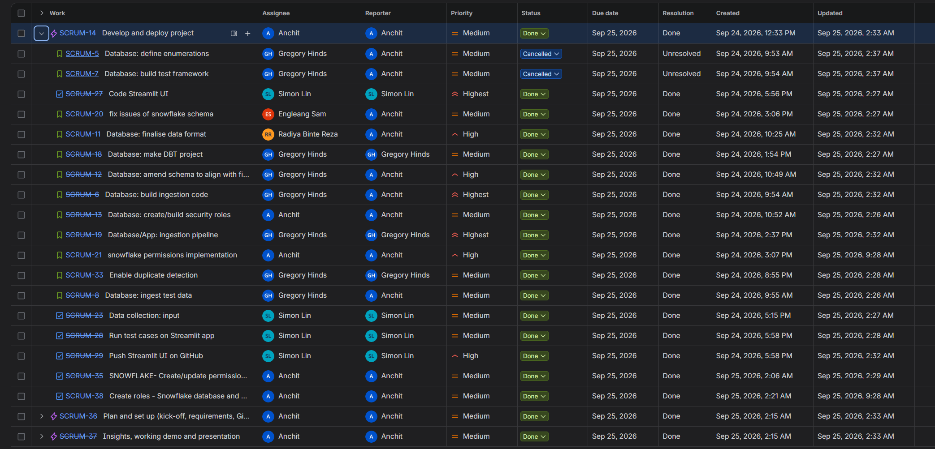

 |  |  |  |  |  |  |  | EPIC-3 :Insights, working demo and presentation

Data Model
Data Model Documentation

Table | fct_judgment
Table Description | One row per judgment (source document), from its latest extraction. The central table of the model
Field | Type | Qualifiers | Comments | Description
judgment_key | varchar | not null, unique | PK | Our internal reference for the judgment (equal to document_id)
document_id | varchar | not null | FK dim_source_document | The PDF this judgment was extracted from
extraction_id | varchar | not null |  | The extraction these values came from (the latest for this document)
court_key | varchar |  | FK dim_court | The court that issued the judgment
case_category_key | varchar |  | FK dim_case_category | The category of case
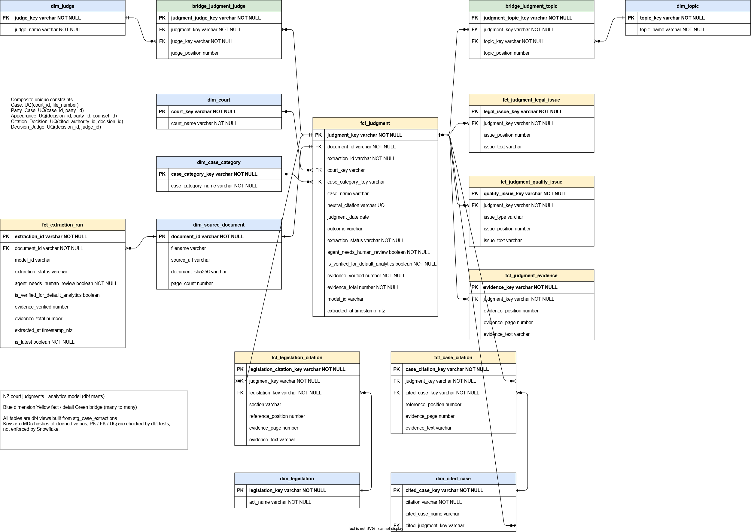
case_name | varchar |  |  | The case name as extracted
neutral_citation | varchar | unique (warn) | Duplicates suggest the same judgment was uploaded twice | The judgment's own neutral citation, e.g. [2024] NZHC 123
judgment_date | date |  |  | The date of the judgment
outcome | varchar |  |  | The court's decision / outcome, as extracted
extraction_status | varchar | not null | ACCEPTED or REVIEW_REQUIRED | Result of the deterministic validation checks
agent_needs_human_review | boolean | not null |  | The agent flagged this extraction for human review
is_verified_for_default_analytics | boolean | not null |  | ACCEPTED and not flagged by the agent. Filter on this for verified-only analysis
evidence_verified | number | not null |  | Number of evidence passages matched back to the PDF
evidence_total | number | not null |  | Number of evidence passages supplied
model_id | varchar |  |  | The model that produced the extraction
extracted_at | timestamp_ntz |  |  | When the extraction was loaded

Table | dim_source_document
Table Description | One row per ingested PDF
Field | Type | Qualifiers | Comments | Description
document_id | varchar | not null, unique | PK | SHA-256 of the file
filename | varchar |  |  | The uploaded file name
source_url | varchar |  |  | Where the PDF was obtained
document_sha256 | varchar |  |  | SHA-256 of the file contents
page_count | number |  |  | Number of pages in the PDF

Table | dim_court
Table Description | One row per court. Names standardised in staging (e.g. NZHC -> HIGH COURT)
Field | Type | Qualifiers | Comments | Description
court_key | varchar | not null, unique | PK | Hash of the cleaned court name
court_name | varchar | not null |  | The name of this court

Table | dim_case_category
Table Description | One row per case category
Field | Type | Qualifiers | Comments | Description
case_category_key | varchar | not null, unique | PK | Hash of the cleaned category name
case_category_name | varchar | not null |  | The case category. Enumeration unknown

Table | dim_judge
Table Description | One row per judge. Split from the single extracted judge string, with titles (J, JJ, CJ, Justice etc) stripped
Field | Type | Qualifiers | Comments | Description
judge_key | varchar | not null, unique | PK | Hash of the cleaned judge name
judge_name | varchar | not null | Name matching is heuristic | The judge's name without title

Table | bridge_judgment_judge
Table Description | A many-to-many table between judgments and judges. Allows multi-judge panels
Field | Type | Qualifiers | Comments | Description
judgment_judge_key | varchar | not null, unique | PK | Hash of judgment_key and judge_key
judgment_key | varchar | not null | FK fct_judgment
judge_key | varchar | not null | FK dim_judge
judge_position | number |  |  | Order the judge was named in the judgment

Table | dim_topic
Table Description | One row per legal topic
Field | Type | Qualifiers | Comments | Description
topic_key | varchar | not null, unique | PK | Hash of the cleaned topic name
topic_name | varchar | not null |  | The legal topic

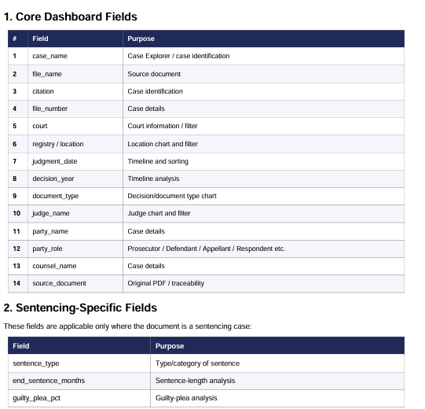
Table | bridge_judgment_topic
Table Description | A many-to-many table between judgments and legal topics
Field | Type | Qualifiers | Comments | Description
judgment_topic_key | varchar | not null, unique | PK | Hash of judgment_key and topic_key
judgment_key | varchar | not null | FK fct_judgment
topic_key | varchar | not null | FK dim_topic
topic_position | number |  |  | Order the topic was listed in the extraction

Table | dim_legislation
Table Description | One row per Act or regulation
Field | Type | Qualifiers | Comments | Description
legislation_key | varchar | not null, unique | PK | Hash of the cleaned Act name
act_name | varchar | not null |  | The name of the Act or regulation

Table | fct_legislation_citation
Table Description | One row per legislation reference in a judgment, with section and supporting evidence
Field | Type | Qualifiers | Comments | Description
legislation_citation_key | varchar | not null, unique | PK | Hash of judgment_key and reference_position
judgment_key | varchar | not null | FK fct_judgment
legislation_key | varchar | not null | FK dim_legislation
section | varchar |  |  | Section or provision, if stated
reference_position | number |  |  | Order the reference was listed in the extraction
evidence_page | number |  |  | 1-based PDF page containing the supporting passage
evidence_text | varchar |  |  | The supporting passage

Table | dim_cited_case
Table Description | One row per cited case, keyed on its citation
Field | Type | Qualifiers | Comments | Description
cited_case_key | varchar | not null, unique | PK | Hash of the cleaned citation
citation | varchar | not null |  | The citation of the cited case
cited_case_name | varchar |  | Most common name given across citing judgments | The cited case's name
cited_judgment_key | varchar |  | FK fct_judgment | The cited case's own judgment, when it is in the corpus (citation network)

Table | fct_case_citation
Table Description | One row per case cited in a judgment, with supporting evidence
Field | Type | Qualifiers | Comments | Description
case_citation_key | varchar | not null, unique | PK | Hash of judgment_key and reference_position
judgment_key | varchar | not null | FK fct_judgment | The citing judgment
cited_case_key | varchar | not null | FK dim_cited_case | The case being cited
reference_position | number |  |  | Order the citation was listed in the extraction
evidence_page | number |  |  | 1-based PDF page containing the supporting passage
evidence_text | varchar |  |  | The supporting passage

Table | fct_judgment_legal_issue
Table Description | One row per legal issue identified in a judgment. Free text, so not a shared dimension
Field | Type | Qualifiers | Comments | Description
legal_issue_key | varchar | not null, unique | PK | Hash of judgment_key and issue_position
judgment_key | varchar | not null | FK fct_judgment
issue_position | number |  |  | Order the issue was listed in the extraction
issue_text | varchar |  |  | The legal issue

Table | fct_judgment_quality_issue
Table Description | One row per agent uncertainty, validation reason, missing reference or publication marker
Field | Type | Qualifiers | Comments | Description
quality_issue_key | varchar | not null, unique | PK | Hash of judgment_key, issue_type and issue_position
judgment_key | varchar | not null | FK fct_judgment
issue_type | varchar |  | AGENT_UNCERTAINTY, VALIDATION_REASON, MISSING_REFERENCE or PUBLICATION_MARKER | The kind of quality issue
issue_position | number |  |  | Order within its source list
issue_text | varchar |  |  | The issue detail

Table | fct_judgment_evidence
Table Description | One row per supporting passage the agent quoted for a judgment's metadata
Field | Type | Qualifiers | Comments | Description
evidence_key | varchar | not null, unique | PK | Hash of judgment_key and evidence_position
judgment_key | varchar | not null | FK fct_judgment
evidence_position | number |  |  | Order the passage was listed in the extraction
evidence_page | number |  |  | 1-based PDF page containing the passage
evidence_text | varchar |  |  | The quoted passage

Table | fct_extraction_run
Table Description | One row per extraction attempt, including superseded ones. For comparing models / prompts over time
Field | Type | Qualifiers | Comments | Description
extraction_id | varchar | not null, unique | PK | Our internal reference for the extraction
document_id | varchar | not null | FK dim_source_document | The PDF that was extracted
model_id | varchar |  |  | The model that produced the extraction
extraction_status | varchar |  | ACCEPTED or REVIEW_REQUIRED | Result of the deterministic validation checks
agent_needs_human_review | boolean | not null |  | The agent flagged this extraction for human review
is_verified_for_default_analytics | boolean |  |  | ACCEPTED and not flagged by the agent
evidence_verified | number |  |  | Number of evidence passages matched back to the PDF
evidence_total | number |  |  | Number of evidence passages supplied
extracted_at | timestamp_ntz |  |  | When the extraction was loaded
is_latest | boolean | not null |  | This is the extraction used by fct_judgment

